Fig. 1D_Live_dead
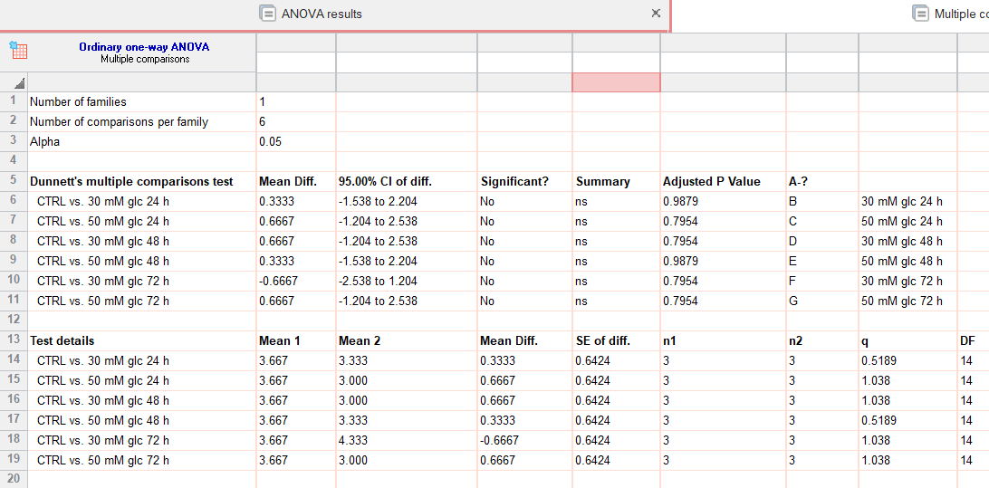
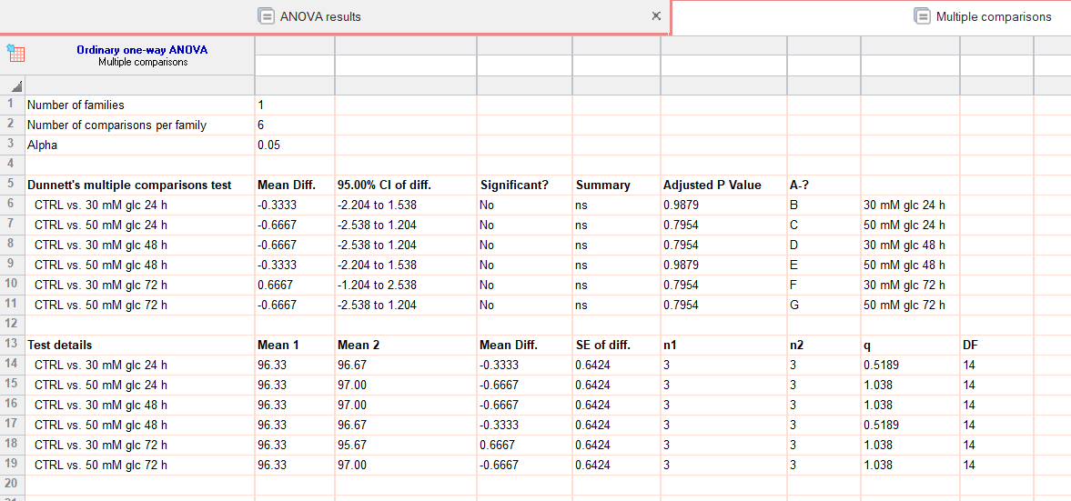
 |  | live |  |  | dead
CTRL | 95 | 97 | 97 | 5 | 3 | 3
30 mM glc 24h | 97 | 96 | 97 | 3 | 4 | 3
50 mM glc 24h | 97 | 97 | 97 | 3 | 3 | 3
30 mM glc 48h | 96 | 98 | 97 | 4 | 2 | 3
50 mM glc 48h | 98 | 96 | 96 | 2 | 4 | 4
30 mM glc 72h | 95 | 96 | 96 | 5 | 4 | 4
50 mM glc 72h | 97 | 97 | 97 | 3 | 3 | 3

